TSLA
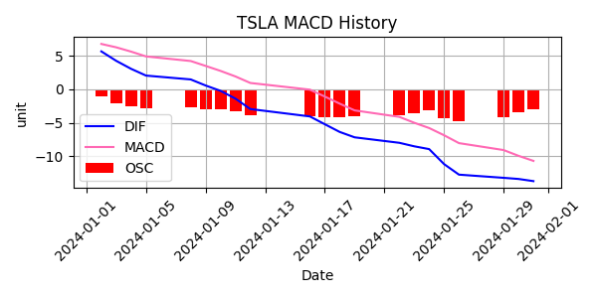
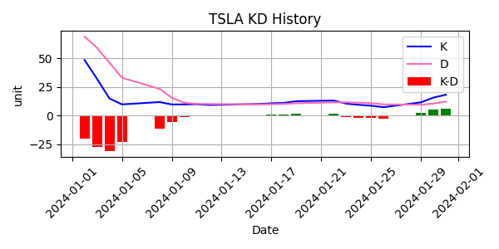
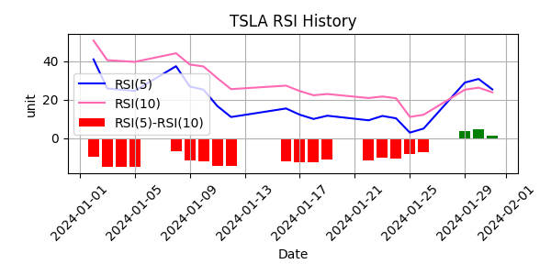
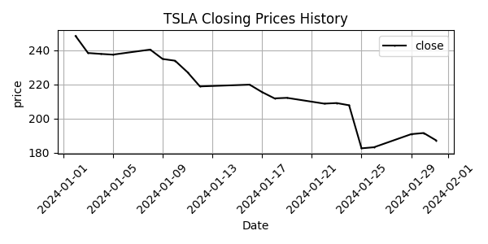
Date | Close Price
2024-01-02 | 248.42
2024-01-03 | 238.45
2024-01-04 | 237.93
2024-01-05 | 237.49
2024-01-08 | 240.45
2024-01-09 | 234.96
2024-01-10 | 233.94
2024-01-11 | 227.22
2024-01-12 | 218.89
2024-01-16 | 219.91
2024-01-17 | 215.55
2024-01-18 | 211.88
2024-01-19 | 212.19
2024-01-22 | 208.8
2024-01-23 | 209.14
2024-01-24 | 207.83
2024-01-25 | 182.63
2024-01-26 | 183.25
2024-01-29 | 190.93
2024-01-30 | 191.59
2024-01-31 | 187.29

